Sheet1
D-H Parameter Values from Devon (May 2015) |  |  |  |  |  |  | Updated D-H Parameter Values from Mark (June 2017)
Joint Transition | θ | d | Value of d (mm) | a | Value of a (mm) | alpha (deg) | Joint Transition | θ | d | Value of d (mm) | a | Value of a (mm) | alpha (deg)
1-2 | θ1 | d1 | 336.55 | --- | --- | -90 | 1-2 | θ1 | d1 | 336.55 | --- | --- | -90
2-3 | θ2 - 90deg | --- | --- | a2 | 434.46 | -90 | 2-3 | θ2 - 90deg | --- | --- | a2 |  | -90
3-4 | -90deg | d3 | volt2deg | --- | --- | +90 | 3-4 | -90deg | d3 |  | --- | --- | +90
4-5 | θ4 - 90deg | d4 | 45.86 | --- | --- | -90 | 4-5 | θ4 - 90deg | d4 | 45.86 | --- | --- | -90
5-6 | θ5 | --- | --- | a5 | 120.51 | +90 | 5-6 | θ5 | --- | --- | a5 | 120.51 | +90
6-7 | θ6 + 90deg | d6 | 67.08 | a6 | 39.52 | -90 | 6-7 | θ6 + 90deg | d6 | 67.06 | a6 | 42.52 | -90
 |  | Z-axis difference |  | X-axis difference |  |  |  |  | Z-axis difference |  | X-axis difference

Variable | Name | Measurement
θ | joint angle | rotation about the z-axis betweedn two frames
d | link offset | translation along the z-axis between two frames
a | link length | measured distance along the x-axis between two frames
alpha | link twist | rotation about the x-axis between two frames
a2 | -- | a2 is measured as the length from joint 2 to joint 4 when the arm is fully retracted
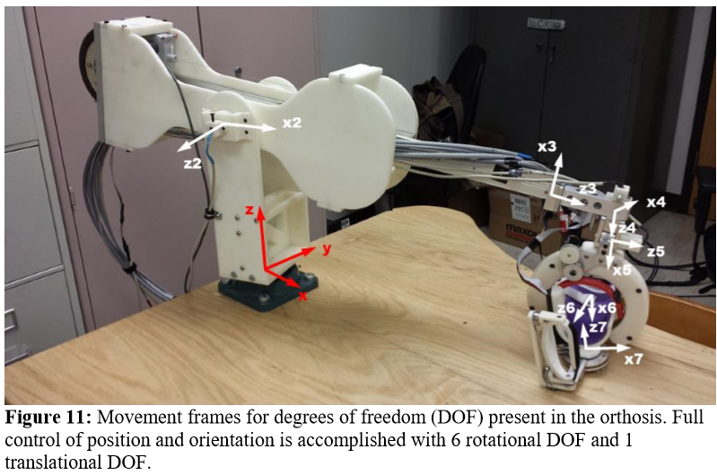

The red axis is the (0,0,0) point and is located on the surface of the table

